Responsive test
Responsive Test : Whatsapp Web camera, status
Created By: Utpal Jadav
Creation Date:07/03/2023
Reviewed By:
Review Date:

Id | Problem | Functionality | Functionality description | Devices used | Performance report | Functionality Screenshot/ video

RT_001 | Whatssapp Web has no functionality to use camera except login | Camera test | user can use camera or not in the Whatsapp web | Galaxy Tab S4 10.5 | https://report.lambdatest.com/audit-report/1WacHLISU74728cUstXh18L18292016x91cIlq8s8axAwfhUMV | 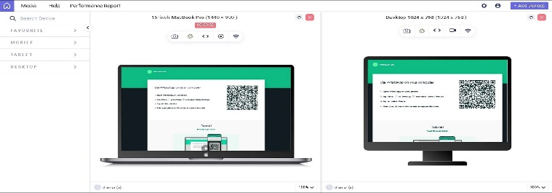
 |  |  |  | iPad Pro
 |  |  |  | 15-inch MacBook Pro
 |  |  |  | Desktop 1024 x 768

RT_002 | Whatssapp Web has no functionality to use status but user can't update their status | Statua view and contact status view | user can see contact status on Whatsapp web | Galaxy Tab S4 10.5 | https://report.lambdatest.com/audit-report/1WacHLISU74728cUstXh18L18292016x91cIlq8s8axAwfhUMV | 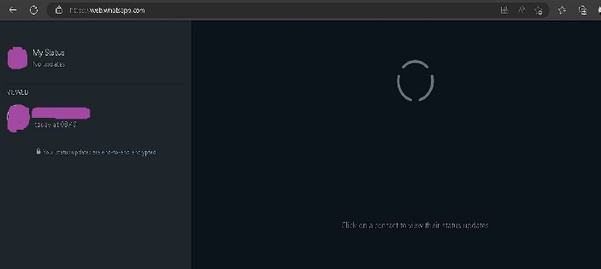
 |  |  |  | iPad Pro
 |  |  |  | 15-inch MacBook Pro
 |  |  |  | Desktop 1024 x 768

